Planilha1
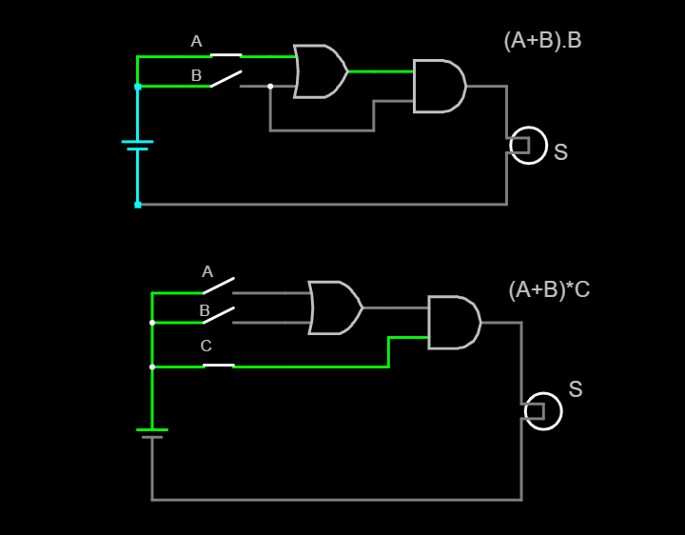
A | B | C | S | A | B | S | A | B | S | A | B | C | S
0 | 0 | 0 | 0 | 0 | 0 | 0 | 0 | 0 | 0 | 0 | 0 | 0 | 0 | S=(A+B)*C
0 | 0 | 1 | 0 | 0 | 1 | 1 | 0 | 1 | 1 | 0 | 0 | 1 | 0
0 | 1 | 0 | 0 | 1 | 0 | 1 | 1 | 0 | 0 | 0 | 1 | 0 | 0
0 | 1 | 1 | 0 | 1 | 1 | 1 | 1 | 1 | 1 | 0 | 1 | 1 | 1
1 | 0 | 0 | 0 | OR = S = A + B |  |  | AND |  |  | 1 | 0 | 0 | 0
1 | 0 | 1 | 0 |  |  |  |  |  |  | 1 | 0 | 1 | 1
1 | 1 | 0 | 0 |  |  |  |  |  |  | 1 | 1 | 0 | 0
1 | 1 | 1 | 1 |  |  |  |  |  |  | 1 | 1 | 1 | 1
AND S = A.B

